PF + Liq + Rtg
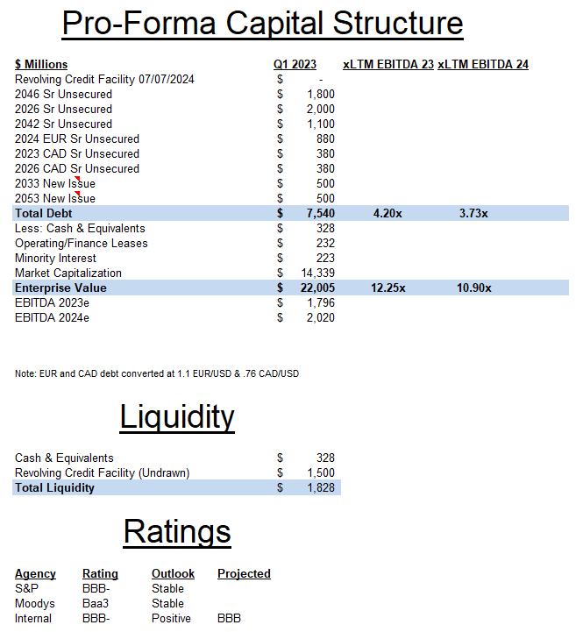

Opportunity Set
 |  |  |  |  |  |  |  |  |  |  |  | Interest Expense
 |  |  |  |  |  |  |  |  |  |  |  | 2023 | 2024 | 2025 | 2026 | 2027
Opportunity Set Live |  |  |  |  |  |  |  |  |  |  |  | 252.4 | 267.8 | 262.8 | 224.2 | 235.6

 | Name | Maturity | Coupon | Currency | Amt Out (millions) | YTW | G Spread | Last Price |  |  |  | Int Exp
 | Molson Coors Beverage Co | 2046-07-15 | 4.20% | USD | 1800 | 5.56% | 157 | 82.468 |  |  |  | 75.6 | 75.6 | 75.6 | 75.6 | 75.6
 | Molson Coors Beverage Co | 2026-07-15 | 3.00% | USD | 2000 | 5.25% | 95 | 93.775 |  |  |  | 60 | 60 | 60 | 30
 | Molson Coors Beverage Co | 2042-05-01 | 5.00% | USD | 1100 | 5.59% | 158 | 93.387 |  |  |  | 55 | 55 | 55 | 55 | 55
 | Molson Coors Beverage Co | 2024-07-15 | 1.25% | EUR | 800 | 4.43% | 93 | 96.848 |  |  |  | 10 | 5
 | Molson Coors International LP | 2023-07-15 | 2.84% | CAD | 500 | 5.52% | 47 | 99.794 |  |  |  | 7.1
 | Molson Coors International LP | 2026-07-15 | 3.44% | CAD | 500 | 5.42% | 138 | 94.617 |  |  |  | 17.2 | 17.2 | 17.2 | 8.6 | 0
 |  |  |  |  |  |  |  |  |  |  |  | 13 | 26 | 26 | 26 | 26
Comp Opportunity Set (On the Run) |  |  |  |  |  |  |  |  |  |  |  | 14.5 | 29 | 29 | 29 | 29
 | Name | Maturity | Coupon | Currency | Amt Out (millions) | YTW | G Spread | Last Price |  |  |  |  |  |  |  | 50
 | Constellation Brands Inc | 2033-05-01 | 4.90% | USD | 750 | 5.15% | 138 | 98.46
 | Constellation Brands Inc | 2026-02-02 | 5.00% | USD | 500 | 5.15% | 70 | 99.69
 | Constellation Brands Inc | 2050-05-01 | 3.75% | USD | 600 | 5.28% | 137 | 78.36
 | Anheuser-Busch InBev Worldwide Inc | 2029-01-23 | 4.75% | USD | 4250 | 4.79% | 84 | 99.9
 | Anheuser-Busch InBev Worldwide Inc | 2046-02-01 | 4.90% | USD | 9518.96 | 5.24% | 124 | 95.78
 | Anheuser-Busch InBev Worldwide Inc | 2026-02-01 | 3.65% | USD | 3335.82 | 4.89% | 43 | 97.03

Opportunity Set Hypothetical |  |  |  |  |  |  |  |  |  | Pro-Forma Capital Structure

 |  |  |  |  |  |  |  |  |  |  | $ Millions |  |  |  | Q1 2023 | xLTM EBITDA 23 | xLTM EBITDA 24
 |  |  |  |  |  |  |  |  |  |  | Revolving Credit Facility 07/07/2024 |  |  |  | $-
 |  |  |  |  |  |  |  |  |  |  | 2046 Sr Unsecured |  |  |  | $1,800
 |  |  |  |  |  |  |  |  |  |  | 2026 Sr Unsecured |  |  |  | $2,000
 |  |  |  |  |  |  |  |  |  |  | 2042 Sr Unsecured |  |  |  | $1,100
 |  |  |  |  |  |  |  |  |  |  | 2024 EUR Sr Unsecured |  |  |  | $880
 |  |  |  |  |  |  |  |  |  |  | 2023 CAD Sr Unsecured |  |  |  | $380
 |  |  |  |  |  |  |  |  |  |  | 2026 CAD Sr Unsecured |  |  |  | $380
 |  |  |  |  |  |  |  |  |  |  | 2033 New Issue |  |  |  | $500
 |  |  |  |  |  |  |  |  |  |  | 2053 New Issue |  |  |  | $500
 |  |  |  |  |  |  |  |  |  |  | Total Debt |  |  |  | $7,540 | 4.20x | 3.73x
 |  |  |  |  |  |  |  |  |  |  | Less: Cash & Equivalents |  |  |  | $328
 |  |  |  |  |  |  |  |  |  |  | Operating/Finance Leases |  |  |  | $232
 |  |  |  |  |  |  |  |  |  |  | Minority Interest |  |  |  | $223
 |  |  |  |  |  |  |  |  |  |  | Market Capitalization |  |  |  | $14,339
 |  |  |  |  |  |  |  |  |  |  | Enterprise Value |  |  |  | $22,005 | 12.25x | 10.90x
 |  |  |  |  |  |  |  |  |  |  | EBITDA 2023e |  |  |  | $1,796
 |  |  |  |  |  |  |  |  |  |  | EBITDA 2024e |  |  |  | $2,020
Short Bond YTW
 | ABIBB 2026 | TAP 2026 | STZ 2026
6/16/2023 | 4.881 | 5.267 | 5.199
6/15/2023 | 4.837 | 5.214 | 5.138
6/14/2023 | 4.949 | 5.317 | 5.165
6/13/2023 | 4.938 | 5.321 | 5.068
6/12/2023 | 4.846 | 5.198 | 5.02
6/9/2023 | 4.866 | 5.225 | 5.074
6/8/2023 | 4.778 | 5.138 | 5.018
6/7/2023 | 4.827 | 5.198 | 5.041
6/6/2023 | 4.775 | 5.119 | 4.889
6/5/2023 | 4.733 | 5.08 | 4.85
6/2/2023 | 4.739 | 5.058 | 4.789
6/1/2023 | 4.632 | 4.98 | 4.627
5/31/2023 | 4.701 | 5.023 | 4.96
5/30/2023 | 4.753 | 5.082 | 4.763
5/26/2023 | 4.908 | 5.226 | 5.059
5/25/2023 | 4.883 | 5.22 | 5.027
5/24/2023 | 4.745 | 5.08 | 4.97
5/23/2023 | 4.686 | 4.997 | 5.02
5/22/2023 | 4.675 | 5.021 | 5.001
5/19/2023 | 4.669 | 5.03 | 5.067
5/18/2023 | 4.62 | 4.961 | 5.185
5/17/2023 | 4.502 | 4.892 | 5.108
5/16/2023 | 4.43 | 4.775 | 5.045
5/15/2023 | 4.305 | 4.728 | 5.005
5/12/2023 | 4.338 | 4.721 | 5.027
5/11/2023 | 4.226 | 4.614 | 4.83
5/10/2023 | 4.223 | 4.629 | 4.896
5/9/2023 | 4.353 | 4.752 | 5.049
5/8/2023 | 4.34 | 4.772 | 5.041
5/5/2023 | 4.266 | 4.621 | 4.977
5/4/2023 | 4.187 | 4.581 | 4.859
5/3/2023 | 4.173 | 4.524 | 4.902
5/2/2023 | 4.269 | 4.667 | 4.988
5/1/2023 | 4.395 | 4.858 | 5.139
4/28/2023 | 4.323 | 4.698 | 5.142
4/27/2023 | 4.403 | 4.765 | 5.254
4/26/2023 | 4.248 | 4.692 | 5.14
4/25/2023 | 4.207 | 4.634 | 4.974
4/24/2023 | 4.405 | 4.847 | 5.108
4/21/2023 | 4.539 | 4.869 | 5.149
4/20/2023 | 4.511 | 4.825 | 5.071
4/19/2023 | 4.614 | 4.918 | 5.118
4/18/2023 | 4.524 | 4.852 | 5.045
4/17/2023 | 4.513 | 4.812 | 5.075
4/14/2023 | 4.437 | 4.751 | 5
4/13/2023 | 4.364 | 4.648 | 5.112
4/12/2023 | 4.366 | 4.686 | 5.123
4/11/2023 | 4.452 | 4.734 | 5.099
4/10/2023 | 4.46 | 4.77 | 5.109
4/6/2023 | 4.262 | 4.644 | 5.016
...
Long Bond YTW
 | ABIBB 2046 | TAP 2046 | STZ 2050
6/16/2023 | 5.256 | 5.573 | 5.366
6/15/2023 | 5.261 | 5.554 | 5.356
6/14/2023 | 5.323 | 5.669 | 5.434
6/13/2023 | 5.369 | 5.738 | 5.484
6/12/2023 | 5.317 | 5.663 | 5.452
6/9/2023 | 5.33 | 5.72 | 5.477
6/8/2023 | 5.32 | 5.699 | 5.448
6/7/2023 | 5.376 | 5.781 | 5.52
6/6/2023 | 5.275 | 5.687 | 5.421
6/5/2023 | 5.281 | 5.698 | 5.455
6/2/2023 | 5.286 | 5.701 | 5.441
6/1/2023 | 5.251 | 5.657 | 5.401
5/31/2023 | 5.286 | 5.72 | 5.407
5/30/2023 | 5.309 | 5.739 | 5.446
5/26/2023 | 5.373 | 5.83 | 5.555
5/25/2023 | 5.379 | 5.853 | 5.589
5/24/2023 | 5.362 | 5.852 | 5.566
5/23/2023 | 5.325 | 5.848 | 5.56
5/22/2023 | 5.317 | 5.861 | 5.573
5/19/2023 | 5.286 | 5.849 | 5.56
5/18/2023 | 5.287 | 5.828 | 5.528
5/17/2023 | 5.194 | 5.747 | 5.5
5/16/2023 | 5.212 | 5.735 | 5.513
5/15/2023 | 5.158 | 5.648 | 5.468
5/12/2023 | 5.086 | 5.566 | 5.385
5/11/2023 | 5.048 | 5.515 | 5.339
5/10/2023 | 5.115 | 5.573 | 5.39
5/9/2023 | 5.145 | 5.632 | 5.435
5/8/2023 | 5.17 | 5.612 | 5.421
5/5/2023 | 5.062 | 5.545 | 5.335
5/4/2023 | 5.064 | 5.502 | 5.313
5/3/2023 | 4.973 | 5.417 | 5.255
5/2/2023 | 5.024 | 5.458 | 5.281
5/1/2023 | 5.125 | 5.582 | 5.386
4/28/2023 | 4.969 | 5.415 | 5.193
4/27/2023 | 5.06 | 5.546 | 5.258
4/26/2023 | 5.053 | 5.531 | 5.201
4/25/2023 | 4.989 | 5.475 | 5.15
4/24/2023 | 5.082 | 5.547 | 5.206
4/21/2023 | 5.138 | 5.58 | 5.254
4/20/2023 | 5.173 | 5.559 | 5.287
4/19/2023 | 5.194 | 5.6 | 5.329
4/18/2023 | 5.155 | 5.618 | 5.307
4/17/2023 | 5.177 | 5.684 | 5.322
4/14/2023 | 5.112 | 5.624 | 5.288
4/13/2023 | 5.072 | 5.572 | 5.213
4/12/2023 | 5.03 | 5.558 | 5.207
4/11/2023 | 4.997 | 5.541 | 5.179
4/10/2023 | 5.027 | 5.55 | 5.178
4/6/2023 | 4.923 | 5.459 | 5.116
...
 |  |  |  |  |  |  |  |  |  |  | Note: EUR and CAD debt converted at 1.1 EUR/USD & .76 CAD/USD

 |  |  |  |  |  |  |  |  |  |  | Liquidity

 |  |  |  |  |  |  |  |  |  |  | Cash & Equivalents |  |  |  | $328
 |  |  |  |  |  |  |  |  |  |  | Revolving Credit Facility (Undrawn) |  |  |  | $1,500
 |  |  |  |  |  |  |  |  |  |  | Total Liquidity |  |  |  | $1,828

 |  |  |  |  |  |  |  |  |  |  | Ratings

 |  |  |  |  |  |  |  |  |  |  | Agency | Rating | Outlook | Projected
 |  |  |  |  |  |  |  |  |  |  | S&P | BBB- | Stable
 |  |  |  |  |  |  |  |  |  |  | Moodys | Baa3 | Stable
 |  |  |  |  |  |  |  |  |  |  | Internal | BBB- | Positive | BBB
 | Note: STZ 2026 issued 01/30/2023

 |  |  |  |  |  |  |  |  |  |  |  | Owned Brands
 |  |  |  |  |  |  |  |  |  |  |  |  |  |  |  |  |  | Partner Brands
 |  |  |  |  |  |  |  |  | Economy |  |  | Premium |  |  | Above Premium |  |  | Arnold Palmer Spiked
 |  |  |  |  |  |  |  |  | Branik |  |  | Bergenbier |  |  | Aspall Cider |  |  | Beck's
 |  |  |  |  |  |  |  |  | Icehouse |  |  | Borsodi |  |  | Blue Moon |  |  | Heineken
 |  |  |  |  |  |  |  |  | Keystone |  |  | Carling |  |  | Coors Original |  |  | Lownbrau
 |  |  |  |  |  |  |  |  | Miller High Life |  |  | Coors Banquet |  |  | Hop Valley |  |  | Madri
 |  |  |  |  |  |  |  |  | Milwaukee's Best |  |  | Coors Light |  |  | Leinenkugel's |  |  | Peroni
 |  |  |  |  |  |  |  |  | Steel Reserve |  |  | Jelen |  |  | Miller Genuine Draft |  |  | Pilsner Urquell
 |  |  |  |  |  |  |  |  |  |  |  | Kamenitza |  |  | Molson Ultra |  |  | Redd's
 |  |  |  |  |  |  |  |  |  |  |  | Miller Lite |  |  | Sharp's |  |  | Simply Spiked
 |  |  |  |  |  |  |  |  |  |  |  | Molson Canadian |  |  | Staropramen |  |  | Sol
 |  |  |  |  |  |  |  |  |  |  |  | Molson Dry |  |  | Vizzy Hard Seltzer |  |  | Stella Artois
 |  |  |  |  |  |  |  |  |  |  |  | Molson Export |  |  |  |  |  | Topo Chico Hard Seltzer
 |  |  |  |  |  |  |  |  |  |  |  | Niksicko |  |  |  |  |  | Zoa
 |  |  |  |  |  |  |  |  |  |  |  | Ozujsko

Comp metrics
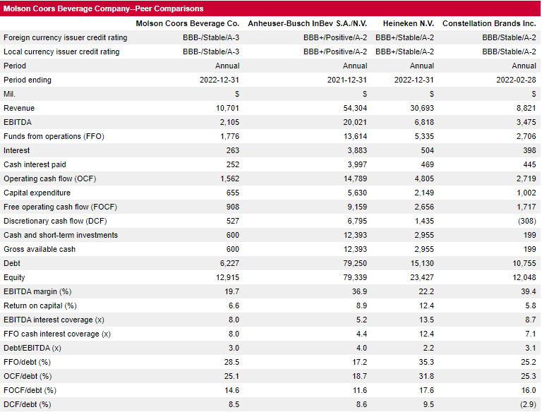
Comp Metrics

Bond Yield time series
Short Bond YTW
 | ABIBB 2026 | TAP 2026 | STZ 2026
6/16/2023 | 4.881 | 5.267 | 5.199
6/15/2023 | 4.837 | 5.214 | 5.138
6/14/2023 | 4.949 | 5.317 | 5.165
6/13/2023 | 4.938 | 5.321 | 5.068
6/12/2023 | 4.846 | 5.198 | 5.02
6/9/2023 | 4.866 | 5.225 | 5.074
6/8/2023 | 4.778 | 5.138 | 5.018
6/7/2023 | 4.827 | 5.198 | 5.041
6/6/2023 | 4.775 | 5.119 | 4.889
6/5/2023 | 4.733 | 5.08 | 4.85
6/2/2023 | 4.739 | 5.058 | 4.789
6/1/2023 | 4.632 | 4.98 | 4.627
5/31/2023 | 4.701 | 5.023 | 4.96
5/30/2023 | 4.753 | 5.082 | 4.763
5/26/2023 | 4.908 | 5.226 | 5.059
5/25/2023 | 4.883 | 5.22 | 5.027
5/24/2023 | 4.745 | 5.08 | 4.97
5/23/2023 | 4.686 | 4.997 | 5.02
5/22/2023 | 4.675 | 5.021 | 5.001
5/19/2023 | 4.669 | 5.03 | 5.067
5/18/2023 | 4.62 | 4.961 | 5.185
5/17/2023 | 4.502 | 4.892 | 5.108
5/16/2023 | 4.43 | 4.775 | 5.045
5/15/2023 | 4.305 | 4.728 | 5.005
5/12/2023 | 4.338 | 4.721 | 5.027
5/11/2023 | 4.226 | 4.614 | 4.83
5/10/2023 | 4.223 | 4.629 | 4.896
5/9/2023 | 4.353 | 4.752 | 5.049
5/8/2023 | 4.34 | 4.772 | 5.041
5/5/2023 | 4.266 | 4.621 | 4.977
5/4/2023 | 4.187 | 4.581 | 4.859
5/3/2023 | 4.173 | 4.524 | 4.902
5/2/2023 | 4.269 | 4.667 | 4.988
5/1/2023 | 4.395 | 4.858 | 5.139
4/28/2023 | 4.323 | 4.698 | 5.142
4/27/2023 | 4.403 | 4.765 | 5.254
4/26/2023 | 4.248 | 4.692 | 5.14
4/25/2023 | 4.207 | 4.634 | 4.974
4/24/2023 | 4.405 | 4.847 | 5.108
4/21/2023 | 4.539 | 4.869 | 5.149
4/20/2023 | 4.511 | 4.825 | 5.071
4/19/2023 | 4.614 | 4.918 | 5.118
4/18/2023 | 4.524 | 4.852 | 5.045
4/17/2023 | 4.513 | 4.812 | 5.075
4/14/2023 | 4.437 | 4.751 | 5
4/13/2023 | 4.364 | 4.648 | 5.112
4/12/2023 | 4.366 | 4.686 | 5.123
4/11/2023 | 4.452 | 4.734 | 5.099
4/10/2023 | 4.46 | 4.77 | 5.109
4/6/2023 | 4.262 | 4.644 | 5.016
...
Long Bond YTW
 |  |  |  | Date | ABIBB 2046 | TAP 2046 | STZ 2050
Date | ABIBB 2026 | TAP 2026 | STZ 2026 | 2023-06-16 | 5.256 | 5.573 | 5.366
2023-06-16 | 4.881 | 5.267 | 5.199 | 2023-06-15 | 5.261 | 5.554 | 5.356
2023-06-15 | 4.837 | 5.214 | 5.138 | 2023-06-14 | 5.323 | 5.669 | 5.434
2023-06-14 | 4.949 | 5.317 | 5.165 | 2023-06-13 | 5.369 | 5.738 | 5.484
2023-06-13 | 4.938 | 5.321 | 5.068 | 2023-06-12 | 5.317 | 5.663 | 5.452
2023-06-12 | 4.846 | 5.198 | 5.02 | 2023-06-09 | 5.33 | 5.72 | 5.477
2023-06-09 | 4.866 | 5.225 | 5.074 | 2023-06-08 | 5.32 | 5.699 | 5.448
2023-06-08 | 4.778 | 5.138 | 5.018 | 2023-06-07 | 5.376 | 5.781 | 5.52
2023-06-07 | 4.827 | 5.198 | 5.041 | 2023-06-06 | 5.275 | 5.687 | 5.421
2023-06-06 | 4.775 | 5.119 | 4.889 | 2023-06-05 | 5.281 | 5.698 | 5.455
2023-06-05 | 4.733 | 5.08 | 4.85 | 2023-06-02 | 5.286 | 5.701 | 5.441
2023-06-02 | 4.739 | 5.058 | 4.789 | 2023-06-01 | 5.251 | 5.657 | 5.401
2023-06-01 | 4.632 | 4.98 | 4.627 | 2023-05-31 | 5.286 | 5.72 | 5.407
2023-05-31 | 4.701 | 5.023 | 4.96 | 2023-05-30 | 5.309 | 5.739 | 5.446
2023-05-30 | 4.753 | 5.082 | 4.763 | 2023-05-26 | 5.373 | 5.83 | 5.555
2023-05-26 | 4.908 | 5.226 | 5.059 | 2023-05-25 | 5.379 | 5.853 | 5.589
2023-05-25 | 4.883 | 5.22 | 5.027 | 2023-05-24 | 5.362 | 5.852 | 5.566
2023-05-24 | 4.745 | 5.08 | 4.97 | 2023-05-23 | 5.325 | 5.848 | 5.56
2023-05-23 | 4.686 | 4.997 | 5.02 | 2023-05-22 | 5.317 | 5.861 | 5.573
2023-05-22 | 4.675 | 5.021 | 5.001 | 2023-05-19 | 5.286 | 5.849 | 5.56
2023-05-19 | 4.669 | 5.03 | 5.067 | 2023-05-18 | 5.287 | 5.828 | 5.528
2023-05-18 | 4.62 | 4.961 | 5.185 | 2023-05-17 | 5.194 | 5.747 | 5.5
2023-05-17 | 4.502 | 4.892 | 5.108 | 2023-05-16 | 5.212 | 5.735 | 5.513
2023-05-16 | 4.43 | 4.775 | 5.045 | 2023-05-15 | 5.158 | 5.648 | 5.468
2023-05-15 | 4.305 | 4.728 | 5.005 | 2023-05-12 | 5.086 | 5.566 | 5.385
2023-05-12 | 4.338 | 4.721 | 5.027 | 2023-05-11 | 5.048 | 5.515 | 5.339
2023-05-11 | 4.226 | 4.614 | 4.83 | 2023-05-10 | 5.115 | 5.573 | 5.39
2023-05-10 | 4.223 | 4.629 | 4.896 | 2023-05-09 | 5.145 | 5.632 | 5.435
2023-05-09 | 4.353 | 4.752 | 5.049 | 2023-05-08 | 5.17 | 5.612 | 5.421
2023-05-08 | 4.34 | 4.772 | 5.041 | 2023-05-05 | 5.062 | 5.545 | 5.335
2023-05-05 | 4.266 | 4.621 | 4.977 | 2023-05-04 | 5.064 | 5.502 | 5.313
2023-05-04 | 4.187 | 4.581 | 4.859 | 2023-05-03 | 4.973 | 5.417 | 5.255
2023-05-03 | 4.173 | 4.524 | 4.902 | 2023-05-02 | 5.024 | 5.458 | 5.281
2023-05-02 | 4.269 | 4.667 | 4.988 | 2023-05-01 | 5.125 | 5.582 | 5.386
2023-05-01 | 4.395 | 4.858 | 5.139 | 2023-04-28 | 4.969 | 5.415 | 5.193
2023-04-28 | 4.323 | 4.698 | 5.142 | 2023-04-27 | 5.06 | 5.546 | 5.258
2023-04-27 | 4.403 | 4.765 | 5.254 | 2023-04-26 | 5.053 | 5.531 | 5.201
2023-04-26 | 4.248 | 4.692 | 5.14 | 2023-04-25 | 4.989 | 5.475 | 5.15
2023-04-25 | 4.207 | 4.634 | 4.974 | 2023-04-24 | 5.082 | 5.547 | 5.206
2023-04-24 | 4.405 | 4.847 | 5.108 | 2023-04-21 | 5.138 | 5.58 | 5.254
2023-04-21 | 4.539 | 4.869 | 5.149 | 2023-04-20 | 5.173 | 5.559 | 5.287
2023-04-20 | 4.511 | 4.825 | 5.071 | 2023-04-19 | 5.194 | 5.6 | 5.329
2023-04-19 | 4.614 | 4.918 | 5.118 | 2023-04-18 | 5.155 | 5.618 | 5.307
2023-04-18 | 4.524 | 4.852 | 5.045 | 2023-04-17 | 5.177 | 5.684 | 5.322
2023-04-17 | 4.513 | 4.812 | 5.075 | 2023-04-14 | 5.112 | 5.624 | 5.288
2023-04-14 | 4.437 | 4.751 | 5 | 2023-04-13 | 5.072 | 5.572 | 5.213
2023-04-13 | 4.364 | 4.648 | 5.112 | 2023-04-12 | 5.03 | 5.558 | 5.207
2023-04-12 | 4.366 | 4.686 | 5.123 | 2023-04-11 | 4.997 | 5.541 | 5.179
2023-04-11 | 4.452 | 4.734 | 5.099 | 2023-04-10 | 5.027 | 5.55 | 5.178
2023-04-10 | 4.46 | 4.77 | 5.109 | 2023-04-06 | 4.923 | 5.459 | 5.116
2023-04-06 | 4.262 | 4.644 | 5.016 | 2023-04-05 | 4.961 | 5.489 | 5.119
2023-04-05 | 4.218 | 4.692 | 4.892 | 2023-04-04 | 5.032 | 5.51 | 5.12
2023-04-04 | 4.196 | 4.667 | 4.906 | 2023-04-03 | 5.054 | 5.545 | 5.181
2023-04-03 | 4.3 | 4.76 | 4.776 | 2023-03-31 | 5.07 | 5.601 | 5.204
2023-03-31 | 4.354 | 4.853 | 4.891 | 2023-03-30 | 5.201 | 5.64 | 5.279
2023-03-30 | 4.53 | 4.984 | 5.006 | 2023-03-29 | 5.267 | 5.653 | 5.343
2023-03-29 | 4.589 | 5.038 | 4.979 | 2023-03-28 | 5.281 | 5.716 | 5.357
2023-03-28 | 4.59 | 5.038 | 4.972 | 2023-03-27 | 5.273 | 5.694 | 5.315
2023-03-27 | 4.49 | 5.023 | 4.893 | 2023-03-24 | 5.205 | 5.633 | 5.269
2023-03-24 | 4.362 | 4.852 | 4.851 | 2023-03-23 | 5.168 | 5.592 | 5.359
2023-03-23 | 4.339 | 4.783 | 4.872 | 2023-03-22 | 5.149 | 5.623 | 5.331
2023-03-22 | 4.43 | 5.01 | 5.045 | 2023-03-21 | 5.251 | 5.672 | 5.387
2023-03-21 | 4.719 | 5.189 | 5.122 | 2023-03-20 | 5.272 | 5.654 | 5.474
2023-03-20 | 4.715 | 5.153 | 5.212 | 2023-03-17 | 5.236 | 5.644 | 5.442
2023-03-17 | 4.665 | 5.135 | 5.101 | 2023-03-16 | 5.287 | 5.718 | 5.506
2023-03-16 | 4.926 | 5.395 | 5.211 | 2023-03-15 | 5.322 | 5.706 | 5.52
2023-03-15 | 5.09 | 5.264 | 5.1 | 2023-03-14 | 5.368 | 5.779 | 5.601
2023-03-14 | 4.976 | 5.238 | 5.308 | 2023-03-13 | 5.399 | 5.778 | 5.601
2023-03-13 | 4.919 | 5.052 | 5.375 | 2023-03-10 | 5.351 | 5.765 | 5.405
2023-03-10 | 5.087 | 5.371 | 5.342 | 2023-03-09 | 5.507 | 5.881 | 5.571
2023-03-09 | 5.279 | 5.546 | 5.528 | 2023-03-08 | 5.484 | 5.876 | 5.538
2023-03-08 | 5.46 | 5.651 | 5.674 | 2023-03-07 | 5.439 | 5.944 | 5.535
2023-03-07 | 5.316 | 5.573 | 5.595 | 2023-03-06 | 5.434 | 5.913 | 5.55
2023-03-06 | 5.195 | 5.514 | 5.41 | 2023-03-03 | 5.41 | 5.908 | 5.494
2023-03-03 | 5.206 | 5.505 | 5.418 | 2023-03-02 | 5.622 | 6.042 | 5.642
2023-03-02 | 5.283 | 5.578 | 5.464 | 2023-03-01 | 5.59 | 6.021 | 5.669
2023-03-01 | 5.271 | 5.604 | 5.455 | 2023-02-28 | 5.535 | 5.951 | 5.588
2023-02-28 | 5.205 | 5.48 | 5.342 | 2023-02-27 | 5.532 | 5.963 | 5.603
2023-02-27 | 5.199 | 5.468 | 5.334 | 2023-02-24 | 5.557 | 5.964 | 5.559
2023-02-24 | 5.223 | 5.484 | 5.409 | 2023-02-23 | 5.463 | 5.897 | 5.51
2023-02-23 | 5.071 | 5.337 | 5.318 | 2023-02-22 | 5.512 | 5.962 | 5.581
2023-02-22 | 5.122 | 5.378 | 5.382 | 2023-02-21 | 5.595 | 6.009 | 5.634
2023-02-21 | 5.13 | 5.43 | 5.445 | 2023-02-17 | 5.445 | 5.865 | 5.48
2023-02-17 | 4.97 | 5.244 | 5.319 | 2023-02-16 | 5.44 | 5.877 | 5.499
2023-02-16 | 5 | 5.303 | 5.31 | 2023-02-15 | 5.394 | 5.791 | 5.4
2023-02-15 | 4.973 | 5.271 | 5.251 | 2023-02-14 | 5.335 | 5.732 | 5.359
2023-02-14 | 4.958 | 5.251 | 5.247 | 2023-02-13 | 5.356 | 5.72 | 5.365
2023-02-13 | 4.851 | 5.091 | 5.145 | 2023-02-10 | 5.381 | 5.675 | 5.365
2023-02-10 | 4.854 | 5.123 | 5.169 | 2023-02-09 | 5.309 | 5.625 | 5.267
2023-02-09 | 4.793 | 5.068 | 5.108 | 2023-02-08 | 5.201 | 5.559 | 5.197
2023-02-08 | 4.68 | 4.948 | 5.06 | 2023-02-07 | 5.228 | 5.547 | 5.201
2023-02-07 | 4.734 | 4.931 | 5.135 | 2023-02-06 | 5.163 | 5.468 | 5.13
2023-02-06 | 4.698 | 5.034 | 5.123 | 2023-02-03 | 5.063 | 5.412 | 5.059
2023-02-03 | 4.562 | 4.855 | 5.011 | 2023-02-02 | 4.942 | 5.315 | 4.983
2023-02-02 | 4.368 | 4.625 | 4.793 | 2023-02-01 | 5.011 | 5.345 | 4.989
2023-02-01 | 4.375 | 4.666 | 4.909 | 2023-01-31 | 5.075 | 5.436 | 5.062
2023-01-31 | 4.469 | 4.762 | 4.921 | 2023-01-30 | 5.129 | 5.432 | 5.141
2023-01-30 | 4.562 | 4.854 |  | 2023-01-27 | 5.068 | 5.433 | 5.104
2023-01-27 | 4.519 | 4.766 |  | 2023-01-26 | 5.055 | 5.418 | 5.065
2023-01-26 | 4.503 | 4.748 |  | 2023-01-25 | 5.044 | 5.397 | 5.054
2023-01-25 | 4.473 | 4.764 |  | 2023-01-24 | 5.049 | 5.404 | 5.069
2023-01-24 | 4.523 | 4.736 |  | 2023-01-23 | 5.11 | 5.478 | 5.151
2023-01-23 | 4.56 | 4.775 |  | 2023-01-20 | 5.106 | 5.47 | 5.153
2023-01-20 | 4.525 | 4.695 |  | 2023-01-19 | 5.002 | 5.422 | 5.047
2023-01-19 | 4.479 | 4.677 |  | 2023-01-18 | 4.878 | 5.31 | 5.003
2023-01-18 | 4.483 | 4.622 |  | 2023-01-17 | 5.041 | 5.459 | 5.109
2023-01-17 | 4.595 | 4.695 |  | 2023-01-13 | 5.039 | 5.423 | 5.1
2023-01-13 | 4.658 | 4.733 |  | 2023-01-12 | 5.006 | 5.397 | 5.067
2023-01-12 | 4.58 | 4.667 |  | 2023-01-11 | 5.074 | 5.516 | 5.138
2023-01-11 | 4.682 | 4.815 |  | 2023-01-10 | 5.234 | 5.619 | 5.285
2023-01-10 | 4.732 | 4.914 |  | 2023-01-09 | 5.146 | 5.599 | 5.211
2023-01-09 | 4.757 | 4.88 |  | 2023-01-06 | 5.204 | 5.71 | 5.288
2023-01-06 | 4.771 | 4.944 |  | 2023-01-05 | 5.35 | 5.818 | 5.347
2023-01-05 | 4.994 | 5.184 |  | 2023-01-04 | 5.385 | 5.815 | 5.397
2023-01-04 | 4.969 | 5.119 |  | 2023-01-03 | 5.476 | 5.916 | 5.463
2023-01-03 | 5.061 | 5.171 |  | 2022-12-30 | 5.533 | 5.927 | 5.475
2022-12-30 | 4.913 | 5.198 |  | 2022-12-29 | 5.478 | 5.891 | 5.452
2022-12-29 | 4.904 | 5.184 |  | 2022-12-28 | 5.544 | 5.908 | 5.51
2022-12-28 | 4.955 | 5.23 |  | 2022-12-27 | 5.508 | 5.898 | 5.471
2022-12-27 | 4.947 | 5.195 |  | 2022-12-23 | 5.42 | 5.804 | 5.339
2022-12-23 | 4.836 | 5.125 |  | 2022-12-22 | 5.338 | 5.716 | 5.277
2022-12-22 | 4.785 | 5.057 |  | 2022-12-21 | 5.327 | 5.707 | 5.273
2022-12-21 | 4.763 | 5.05 |  | 2022-12-20 | 5.35 | 5.74 | 5.295
2022-12-20 | 4.79 | 5.063 |  | 2022-12-19 | 5.232 | 5.611 | 5.171
2022-12-19 | 4.742 | 4.918 |  | 2022-12-16 | 5.132 | 5.49 | 5.071
2022-12-16 | 4.636 | 4.802 |  | 2022-12-15 | 5.06 | 5.399 | 4.984
2022-12-15 | 4.647 | 4.753 |  | 2022-12-14 | 5.039 | 5.405 | 4.988
2022-12-14 | 4.646 | 4.755 |  | 2022-12-13 | 5.039 | 5.468 | 4.994
2022-12-13 | 4.677 | 4.777 |  | 2022-12-12 | 5.054 | 5.504 | 5.055
2022-12-12 | 4.78 | 4.928 |  | 2022-12-09 | 5.086 | 5.499 | 5.06
2022-12-09 | 4.754 | 4.885 |  | 2022-12-08 | 4.944 | 5.362 | 5.017
2022-12-08 | 4.686 | 4.782 |  | 2022-12-07 | 4.966 | 5.37 | 5.019
2022-12-07 | 4.58 | 4.727 |  | 2022-12-06 | 5.077 | 5.47 | 5.157
2022-12-06 | 4.67 | 4.844 |  | 2022-12-05 | 5.131 | 5.534 | 5.211
2022-12-05 | 4.723 | 4.848 |  | 2022-12-02 | 5.042 | 5.46 | 5.117
2022-12-02 | 4.555 | 4.726 |  | 2022-12-01 | 5.117 | 5.525 | 5.207
2022-12-01 | 4.505 | 4.76 |  | 2022-11-30 | 5.379 | 5.724 | 5.374
2022-11-30 | 4.642 | 4.861 |  | 2022-11-29 | 5.428 | 5.728 | 5.447
2022-11-29 | 4.785 | 5.038 |  | 2022-11-28 | 5.312 | 5.674 | 5.346
2022-11-28 | 4.674 | 4.967 |  | 2022-11-25 | 5.278 | 5.655 | 5.336
2022-11-25 | 4.663 | 5.01 |  | 2022-11-23 | 5.281 | 5.62 | 5.245
2022-11-23 | 4.674 | 5.017 |  | 2022-11-22 | 5.369 | 5.764 | 5.415
2022-11-22 | 4.72 | 5.069 |  | 2022-11-21 | 5.429 | 5.85 | 5.544
2022-11-21 | 4.766 | 5.127 |  | 2022-11-18 | 5.472 | 5.835 | 5.552
2022-11-18 | 4.726 | 5.114 |  | 2022-11-17 | 5.467 | 5.854 | 5.514
2022-11-17 | 4.685 | 5.128 |  | 2022-11-16 | 5.396 | 5.818 | 5.492
2022-11-16 | 4.597 | 5.031 |  | 2022-11-15 | 5.519 | 5.947 | 5.599
2022-11-15 | 4.61 | 5.089 |  | 2022-11-14 | 5.625 | 6.066 | 5.735
2022-11-14 | 4.691 | 5.24 |  | 2022-11-10 | 5.708 | 6.111 | 5.76
2022-11-10 | 4.691 | 5.264 |  | 2022-11-09 | 5.982 | 6.426 | 6.026
2022-11-09 | 5.004 | 5.621 |  | 2022-11-08 | 5.93 | 6.365 | 6.016
2022-11-08 | 5.081 | 5.635 |  | 2022-11-07 | 5.946 | 6.452 | 6.053
2022-11-07 | 5.157 | 5.755 |  | 2022-11-04 | 5.999 | 6.4 | 6.007
2022-11-04 | 5.118 | 5.751 |  | 2022-11-03 | 5.971 | 6.347 | 5.99
2022-11-03 | 5.118 | 5.781 |  | 2022-11-02 | 5.899 | 6.256 | 5.908
2022-11-02 | 5.082 | 5.748 |  | 2022-11-01 | 5.883 | 6.285 | 5.877
2022-11-01 | 5.062 | 5.716 |  | 2022-10-31 | 5.959 | 6.366 | 5.97
2022-10-31 | 5.044 | 5.667 |  | 2022-10-28 | 5.905 | 6.323 | 5.927
2022-10-28 | 4.985 | 5.677 |  | 2022-10-27 | 5.948 | 6.255 | 5.915
2022-10-27 | 4.897 | 5.58 |  | 2022-10-26 | 6.067 | 6.348 | 5.983
2022-10-26 | 5.042 | 5.71 |  | 2022-10-25 | 6.157 | 6.431 | 6.091
2022-10-25 | 5.113 | 5.747 |  | 2022-10-24 | 6.34 | 6.608 | 6.212
2022-10-24 | 5.212 | 5.903 |  | 2022-10-21 | 6.297 | 6.61 | 6.216
2022-10-21 | 5.241 | 5.886 |  | 2022-10-20 | 6.237 | 6.51 | 6.118
2022-10-20 | 5.343 | 5.981 |  | 2022-10-19 | 6.174 | 6.409 | 6.021
2022-10-19 | 5.272 | 5.882 |  | 2022-10-18 | 6.063 | 6.272 | 5.88
2022-10-18 | 5.119 | 5.748 |  | 2022-10-17 | 6.065 | 6.35 | 5.918
2022-10-17 | 5.157 | 5.783 |  | 2022-10-14 | 6.094 | 6.368 | 5.952
2022-10-14 | 5.219 | 5.841 |  | 2022-10-13 | 6.027 | 6.307 | 5.883
2022-10-13 | 5.157 | 5.801 |  | 2022-10-12 | 6.069 | 6.425 | 5.835
2022-10-12 | 5.051 | 5.612 |  | 2022-10-11 | 6.068 | 6.273 | 5.783
2022-10-11 | 5.043 | 5.55 |  | 2022-10-07 | 5.873 | 6.219 | 5.697
2022-10-07 | 4.932 | 5.578 |  | 2022-10-06 | 5.772 | 6.129 | 5.594
2022-10-06 | 4.85 | 5.457 |  | 2022-10-05 | 5.836 | 6.14 | 5.626
2022-10-05 | 4.796 | 5.363 |  | 2022-10-04 | 5.714 | 6.077 | 5.594
2022-10-04 | 4.645 | 5.302 |  | 2022-10-03 | 5.759 | 6.096 | 5.644
2022-10-03 | 4.759 | 5.362 |  | 2022-09-30 | 5.965 | 6.286 | 5.757
2022-09-30 | 4.915 | 5.559 |  | 2022-09-29 | 6.125 | 6.32 | 5.785
2022-09-29 | 4.94 | 5.526 |  | 2022-09-28 | 5.983 | 6.252 | 5.68
2022-09-28 | 4.892 | 5.395 |  | 2022-09-27 | 6.039 | 6.295 | 5.779
2022-09-27 | 5.056 | 5.755 |  | 2022-09-26 | 5.848 | 6.097 | 5.626
2022-09-26 | 4.979 | 5.62 |  | 2022-09-23 | 5.663 | 5.931 | 5.539
2022-09-23 | 4.786 | 5.399 |  | 2022-09-22 | 5.687 | 5.893 | 5.526
2022-09-22 | 4.71 | 5.316 |  | 2022-09-21 | 5.452 | 5.777 | 5.373
2022-09-21 | 4.514 | 5.067 |  | 2022-09-20 | 5.555 | 5.849 | 5.433
2022-09-20 | 4.534 | 5.187 |  | 2022-09-19 | 5.502 | 5.799 | 5.365
2022-09-19 | 4.488 | 5.043 |  | 2022-09-16 | 5.555 | 5.838 | 5.397
2022-09-16 | 4.407 | 5.005 |  | 2022-09-15 | 5.435 | 5.749 | 5.355
2022-09-15 | 4.456 | 5.011 |  | 2022-09-14 | 5.406 | 5.729 | 5.319
2022-09-14 | 4.407 | 4.979 |  | 2022-09-13 | 5.389 | 5.771 | 5.361
2022-09-13 | 4.367 | 4.977 |  | 2022-09-12 | 5.385 | 5.727 | 5.318
2022-09-12 | 4.239 | 4.832 |  | 2022-09-09 | 5.369 | 5.725 | 5.306
2022-09-09 | 4.223 | 4.862 |  | 2022-09-08 | 5.424 | 5.761 | 5.366
2022-09-08 | 4.258 | 4.88 |  | 2022-09-07 | 5.394 | 5.705 | 5.292
2022-09-07 | 4.215 | 4.846 |  | 2022-09-06 | 5.547 | 5.834 | 5.423
2022-09-06 | 4.308 | 4.925 |  | 2022-09-02 | 5.351 | 5.632 | 5.218
2022-09-02 | 4.195 | 4.834 |  | 2022-09-01 | 5.417 | 5.679 | 5.297
2022-09-01 | 4.28 | 4.904 |  | 2022-08-31 | 5.278 | 5.571 | 5.139
2022-08-31 | 4.172 | 4.784 |  | 2022-08-30 | 5.171 | 5.476 | 5.084
2022-08-30 | 4.114 | 4.719 |  | 2022-08-29 | 5.161 | 5.437 | 5.095
2022-08-29 | 4.091 | 4.626 |  | 2022-08-26 | 5.039 | 5.327 | 5
2022-08-26 | 3.985 | 4.575 |  | 2022-08-25 | 5.059 | 5.334 | 4.993
2022-08-25 | 3.977 | 4.509 |  | 2022-08-24 | 5.147 | 5.457 | 5.101
2022-08-24 | 4.07 | 4.613 |  | 2022-08-23 | 5.157 | 5.409 | 5.069
2022-08-23 | 4.015 | 4.594 |  | 2022-08-22 | 5.133 | 5.396 | 5.048
2022-08-22 | 3.992 | 4.58 |  | 2022-08-19 | 5.052 | 5.318 | 4.984
2022-08-19 | 3.872 | 4.38 |  | 2022-08-18 | 4.915 | 5.145 | 4.848
2022-08-18 | 3.786 | 4.265 |  | 2022-08-17 | 4.947 | 5.132 | 4.869
2022-08-17 | 3.8 | 4.268 |  | 2022-08-16 | 4.811 | 5.04 | 4.774
2022-08-16 | 3.655 | 4.155 |  | 2022-08-15 | 4.777 | 5.035 | 4.771
2022-08-15 | 3.604 | 4.14 |  | 2022-08-12 | 4.784 | 5.064 | 4.754
2022-08-12 | 3.677 | 4.215 |  | 2022-08-11 | 4.879 | 5.24 | 4.824
2022-08-11 | 3.683 | 4.302 |  | 2022-08-10 | 4.854 | 5.096 | 4.796
2022-08-10 | 3.65 | 4.241 |  | 2022-08-09 | 4.882 | 5.132 | 4.791
2022-08-09 | 3.706 | 4.384 |  | 2022-08-08 | 4.842 | 5.066 | 4.782
2022-08-08 | 3.634 | 4.327 |  | 2022-08-05 | 4.936 | 5.152 | 4.851
2022-08-05 | 3.705 | 4.409 |  | 2022-08-04 | 4.806 | 5.022 | 4.713
2022-08-04 | 3.504 | 4.208 |  | 2022-08-03 | 4.782 | 5.03 | 4.703
2022-08-03 | 3.578 | 4.313 |  | 2022-08-02 | 4.897 | 5.137 | 4.794
2022-08-02 | 3.621 | 4.374 |  | 2022-08-01 | 4.76 | 4.972 | 4.665
2022-08-01 | 3.363 | 4.163 |  | 2022-07-29 | 4.856 | 5.09 | 4.76
2022-07-29 | 3.42 | 4.217 |  | 2022-07-28 | 4.891 | 5.122 | 4.764
2022-07-28 | 3.428 | 4.209 |  | 2022-07-27 | 4.937 | 5.159 | 4.789
2022-07-27 | 3.536 | 4.373 |  | 2022-07-26 | 5.002 | 5.178 | 4.872
2022-07-26 | 3.705 | 4.456 |  | 2022-07-25 | 4.979 | 5.203 | 4.843
2022-07-25 | 3.669 | 4.425 |  | 2022-07-22 | 4.84 | 5.046 | 4.724
2022-07-22 | 3.595 | 4.413 |  | 2022-07-21 | 4.946 | 5.111 | 4.822
2022-07-21 | 3.78 | 4.583 |  | 2022-07-20 | 5.046 | 5.322 | 4.92
2022-07-20 | 3.935 | 4.733 |  | 2022-07-19 | 5.111 | 5.33 | 4.956
2022-07-19 | 3.92 | 4.811 |  | 2022-07-18 | 5.087 | 5.277 | 4.921
2022-07-18 | 3.874 | 4.675 |  | 2022-07-15 | 5.068 | 5.307 | 4.94
2022-07-15 | 3.874 | 4.665 |  | 2022-07-14 | 5.158 | 5.356 | 4.993
2022-07-14 | 3.96 | 4.717 |  | 2022-07-13 | 5.105 | 5.324 | 4.938
2022-07-13 | 3.859 | 4.648 |  | 2022-07-12 | 5.172 | 5.317 | 4.995
2022-07-12 | 3.888 | 4.617 |  | 2022-07-11 | 5.131 | 5.329 | 5.007
2022-07-11 | 3.934 | 4.589 |  | 2022-07-08 | 5.224 | 5.485 | 5.081
2022-07-08 | 4.009 | 4.69 |  | 2022-07-07 | 5.212 | 5.471 | 5.101
2022-07-07 | 4.017 | 4.579 |  | 2022-07-06 | 5.278 | 5.452 | 5.061
2022-07-06 | 3.962 | 4.546 |  | 2022-07-05 | 5.26 | 5.429 | 5.057
2022-07-05 | 3.922 | 4.41 |  | 2022-07-01 | 5.31 | 5.496 | 5.092
2022-07-01 | 3.984 | 4.491 |  | 2022-06-30 | 5.326 | 5.578 | 5.118
2022-06-30 | 4.109 | 4.638 |  | 2022-06-29 | 5.326 | 5.543 | 5.131
2022-06-29 | 4.211 | 4.669 |  | 2022-06-28 | 5.363 | 5.573 | 5.183
2022-06-28 | 4.266 | 4.821 |  | 2022-06-27 | 5.359 | 5.509 | 5.147
2022-06-27 | 4.298 | 4.779 |  | 2022-06-24 | 5.323 | 5.461 | 5.152
2022-06-24 | 4.239 | 4.705 |  | 2022-06-23 | 5.278 | 5.419 | 5.113
2022-06-23 | 4.205 | 4.728 |  | 2022-06-22 | 5.306 | 5.521 | 5.136
2022-06-22 | 4.281 | 4.712 |  | 2022-06-21 | 5.382 | 5.617 | 5.237
2022-06-21 | 4.362 | 4.743

Company Presentation

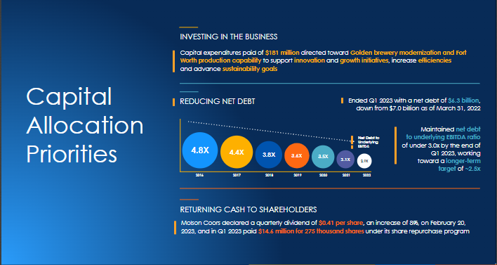

S&P Upgrade triggers
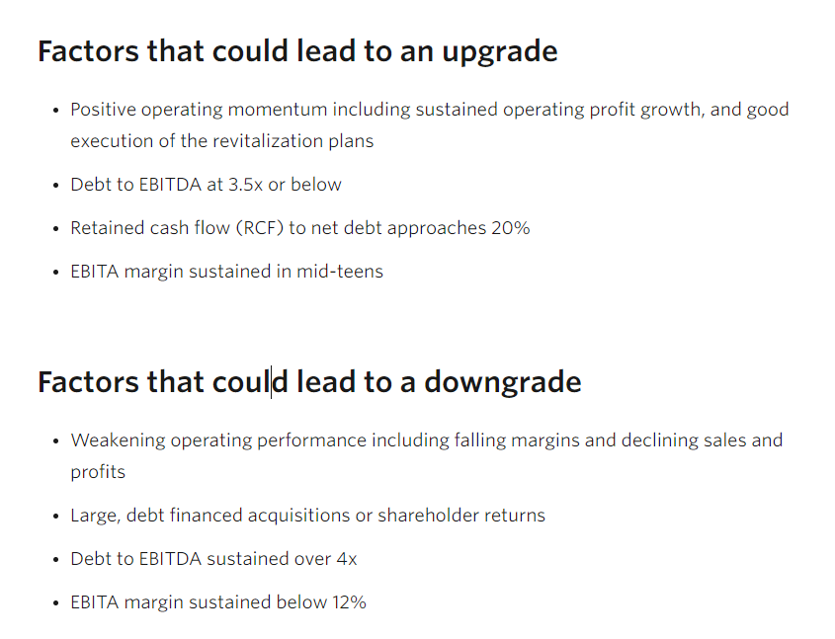
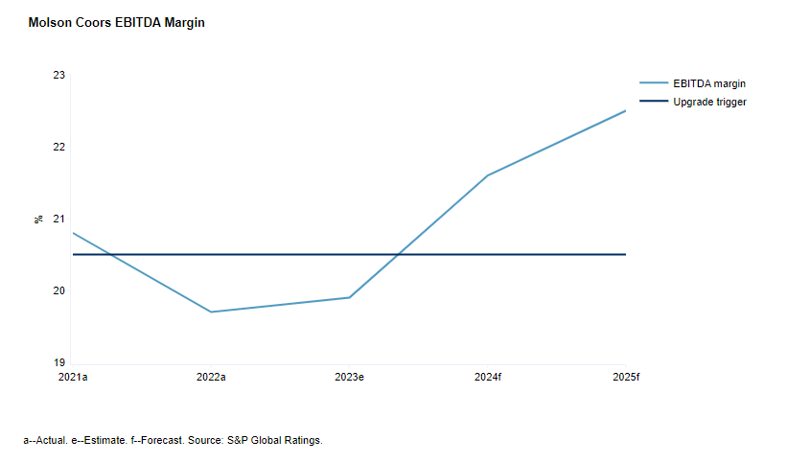
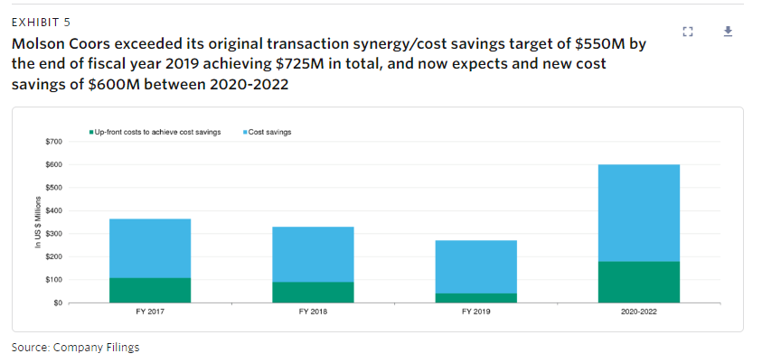

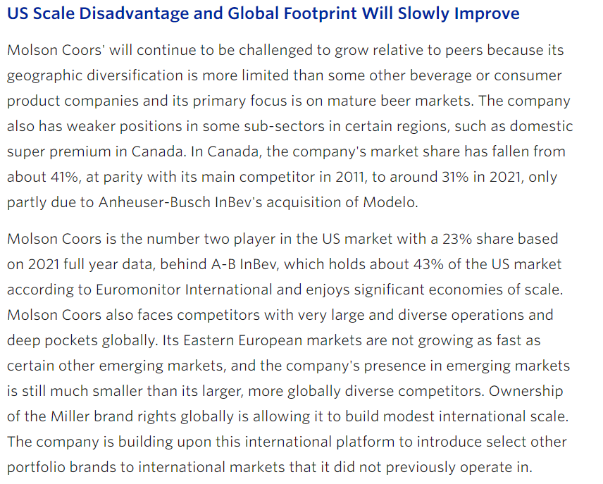
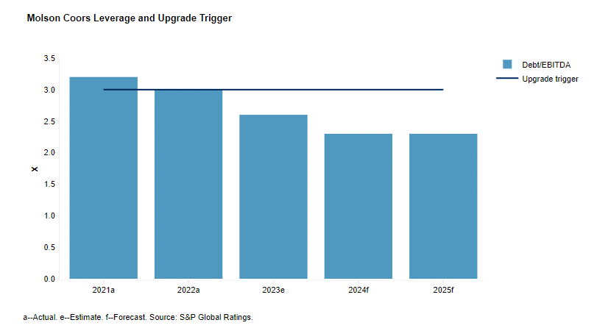
moodys

